FY 2019-20 VLFAA _TrueUp
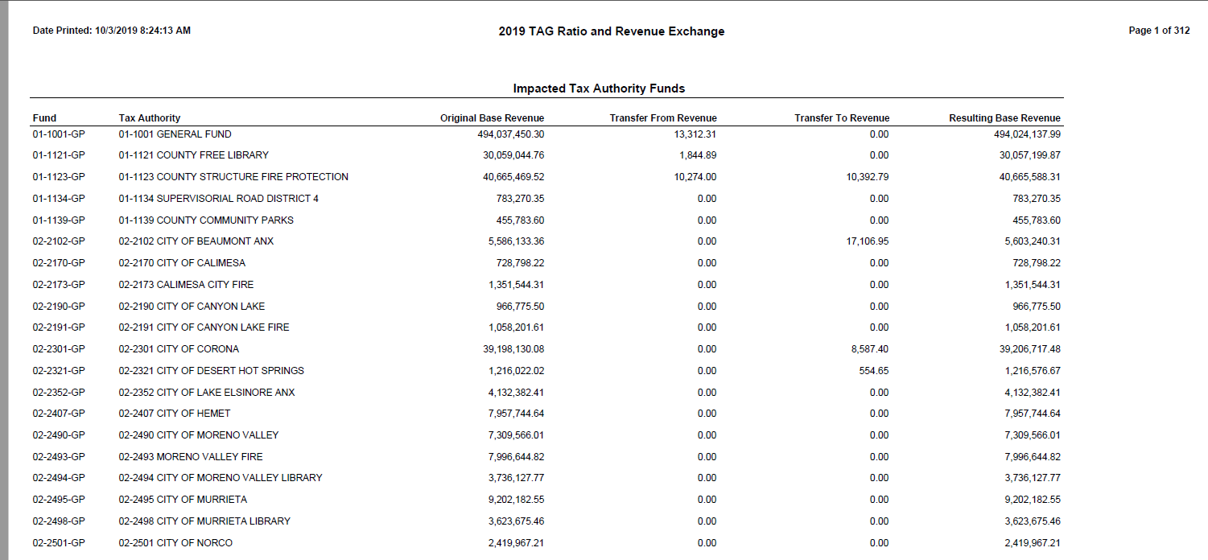
County of Riverside
Auditor-Controller's Office
Property Tax Division
2019-11-01
FY 2019-20
Estimated VLF Adjustment Amount (post SB130 approved 5-12-17 by Gov. Brown)
 | Estimated using RTC Sec. 97.70 ( c) (1) & (2)

 |  |  |  |  |  |  |  |  | 2019-20 Growth % | 2019-20 | 2019-20 Growth $ | 2019-20 | 2019-20 | 2019-20
 |  |  | EQ Roll (Asr Net) | Less(2) |  | EQ Roll (Asr Net) | Less (2) |  | R & T 97.70 | VLFAA | R & T 97.70 | VLFAA revised | VLFAA preiusly paid | VLFAA True up
District |  |  | Total Value | Detachment | FY 18-19 | Total Value dated 5/18/2020 | Total 19-20 | FY 19-20 | ( c ) ( 1 )( B ) ( i ) (II) (ib) | R&T 97.70 ( c ) ( 1 )( B ) ( i ) | ( c ) ( 1 )( B ) ( i ) ( II ) | R&T 97.70 | R&T 97.70 | R&T 97.70
Number | District | 2017-18 VLFAA | FY 18-19 | from 18-19 values | Adjusted Value | FY 19-20 | Annexations | Adjusted Value | RTC 97.70 ( c ) ( 1 )( C) ( ii ) (2) (B) | RTC 97.70 ( c ) ( 1 )( C) ( ii ) (2) (B) (i) | RTC 97.70 ( c ) ( 1 )( C) ( ii ) (2) (B) (i) | ( c ) ( 1 )( B ) ( i ) | ( c ) ( 1 )( B ) ( i ) | ( c ) ( 1 )( B ) ( i )
 | Column: | 4 | A | B | C | D | E | F | G | H | J | K | L | K
 | Formula: |  |  |  | A+B |  |  | D+E | +(F-C)/C | FY 18-19 Actual | + H * G | +H+J |  | +K-L
 |  |  | Exclude Unitary |  | Exclude Unitary
01-1001 | County General Fund |  | 280,327,986,244 | - | 280,327,986,244 | 295,739,910,903 | - | 295,739,910,903 | 5.49781877% | 258,973,283 | 14,237,882 | 273,211,165 | 273,393,800 | (182,635)
 | COUNTY TOTAL |  | 280,327,986,244 | - | 280,327,986,244 | 295,739,910,903 | - | 295,739,910,903 | 5.49781877% | 258,973,283 | 14,237,882 | 273,211,165 | 273,393,800 | (182,635)

02-2051 | City of Banning | 2,359,485 | 2,240,564,397 |  | 2,240,564,397 | 2,340,586,835 |  | 2,340,586,835 | 4.46416261% | 2,488,858 | 111,107 | 2,599,965 | 2,601,101 | (1,136)
02-2102 | City of Beaumont | 4,101,354 | 4,749,904,936 |  | 4,749,904,936 | 5,267,870,338 | (13,851,719) | 5,254,018,619 | 10.61313205% | 4,517,089 | 479,405 | 4,996,494 | 4,997,851 | (1,357)
02-2152 | City of Blythe | 1,542,645 | 926,234,541 |  | 926,234,541 | 914,310,202 |  | 914,310,202 | -1.28739952% | 1,514,864 | (19,502) | 1,495,361 | 1,495,367 | (6)
02-2170 | City of Calimesa | 829,575 | 893,658,003 |  | 893,658,003 | 971,592,452 |  | 971,592,452 | 8.72083602% | 902,032 | 78,665 | 980,697 | 980,437 | 260
02-2190 | City of Canyon Lake | 877,261 | 1,789,519,663 |  | 1,789,519,663 | 1,868,519,946 |  | 1,868,519,946 | 4.41460827% | 917,656 | 40,511 | 958,167 | 958,272 | (105)
02-2225 | City of Cathedral City | 4,140,211 | 4,533,214,521 |  | 4,533,214,521 | 4,783,579,330 |  | 4,783,579,330 | 5.52289789% | 4,331,044 | 239,199 | 4,570,243 | 4,571,001 | (758)
02-2252 | City of Coachella | 4,250,143 | 1,906,096,736 |  | 1,906,096,736 | 1,982,902,426 |  | 1,982,902,426 | 4.02947492% | 4,525,650 | 182,360 | 4,708,010 | 4,714,590 | (6,581)
02-2301 | City of Corona | 13,212,740 | 21,019,891,106 |  | 21,019,891,106 | 21,844,104,620 | (6,116,123) | 21,837,988,497 | 3.89201536% | 13,926,405 | 542,018 | 14,468,423 | 14,476,284 | (7,860)
02-2321 | City of Desert Hot Springs | 1,975,583 | 1,749,345,815 |  | 1,749,345,815 | 1,902,242,390 | (714,000) | 1,901,528,390 | 8.69939915% | 2,124,575 | 184,825 | 2,309,401 | 2,309,782 | (381)
02-2407 | City of Hemet | 6,350,001 | 5,944,312,276 |  | 5,944,312,276 | 6,171,599,988 |  | 6,171,599,988 | 3.82361662% | 6,746,145 | 257,947 | 7,004,092 | 7,005,523 | (1,431)
02-2441 | City of Indian Wells | 414,218 | 5,918,382,889 |  | 5,918,382,889 | 6,146,023,554 |  | 6,146,023,554 | 3.84633217% | 441,440 | 16,979 | 458,420 | 458,579 | (159)
02-2451 | City of Indio | 8,951,785 | 8,431,580,963 |  | 8,431,580,963 | 8,821,524,257 |  | 8,821,524,257 | 4.62479452% | 9,418,768 | 435,599 | 9,854,367 | 9,857,498 | (3,132)
02-2375 | City of La Quinta | 3,919,936 | 13,401,036,081 |  | 13,401,036,081 | 13,944,527,539 |  | 13,944,527,539 | 4.05559283% | 4,066,757 | 164,931 | 4,231,688 | 4,257,098 | (25,409)
02-2352 | City of Lake Elsinore | 4,843,449 | 6,198,621,290 |  | 6,198,621,290 | 6,595,409,239 |  | 6,595,409,239 | 6.40122909% | 5,311,732 | 340,016 | 5,651,748 | 5,655,738 | (3,990)
02-2490 | City of Moreno Valley | 18,406,257 | 15,777,801,124 |  | 15,777,801,124 | 17,105,500,935 |  | 17,105,500,935 | 8.41498635% | 19,577,636 | 1,647,455 | 21,225,091 | 21,232,069 | (6,977)
02-2495 | City of Murrieta | 7,775,033 | 13,416,976,229 |  | 13,416,976,229 | 14,024,462,473 |  | 14,024,462,473 | 4.52774331% | 8,242,860 | 373,216 | 8,616,075 | 8,616,287 | (211)
02-2501 | City of Norco | 2,439,211 | 3,349,344,933 |  | 3,349,344,933 | 3,524,758,007 |  | 3,524,758,007 | 5.23723527% | 2,593,771 | 135,842 | 2,729,613 | 2,730,415 | (803)
02-2580 | City of Palm Desert | 4,051,057 | 15,044,824,909 |  | 15,044,824,909 | 15,628,777,898 |  | 15,628,777,898 | 3.88142097% | 4,218,565 | 163,740 | 4,382,305 | 4,384,778 | (2,473)
02-2601 | City of Palm Springs | 4,776,570 | 13,010,470,926 |  | 13,010,470,926 | 13,784,764,382 |  | 13,784,764,382 | 5.95130999% | 5,084,458 | 302,592 | 5,387,050 | 5,380,030 | 7,020
02-2651 | City of Perris | 6,271,823 | 6,277,259,688 |  | 6,277,259,688 | 6,893,426,243 | (3,148,130) | 6,890,278,113 | 9.76570121% | 6,985,965 | 682,228 | 7,668,193 | 7,669,157 | (964)
02-2681 | City of Rancho Mirage | 1,457,719 | 8,631,235,907 |  | 8,631,235,907 | 8,958,654,333 |  | 8,958,654,333 | 3.79341301% | 1,502,922 | 57,012 | 1,559,935 | 1,562,653 | (2,719)
02-2701 | City of Riverside | 27,706,843 | 30,212,791,874 |  | 30,212,791,874 | 31,722,409,341 |  | 31,722,409,341 | 4.99661691% | 29,518,799 | 1,474,941 | 30,993,740 | 31,014,277 | (20,537)
02-2802 | City of San Jacinto | 3,332,561 | 3,054,496,507 |  | 3,054,496,507 | 3,268,917,844 |  | 3,268,917,844 | 7.01985864% | 3,602,285 | 252,875 | 3,855,161 | 3,859,457 | (4,296)
02-2900 | City of Temecula | 7,762,740 | 16,106,715,019 |  | 16,106,715,019 | 16,753,101,472 |  | 16,753,101,472 | 4.01314888% | 8,107,384 | 325,361 | 8,432,745 | 8,434,916 | (2,171)
02-3400 | City of Eastvale | 4,320,926 | 9,786,845,343 | N/A | 9,786,845,343 | 10,383,339,046 |  | 10,383,339,046 | 6.09485163% | 4,669,128 | 284,576 | 4,953,704 | 4,954,108 | (404)
02-3500 | City of Jurupa Valley | 6,775,334 | 9,794,348,618 | N/A | 9,794,348,618 | 10,569,135,661 |  | 10,569,135,661 | 7.91055203% | 7,293,452 | 576,952 | 7,870,405 | 7,871,602 | (1,198)
02-3100 | City of Menifee | 6,062,792 | 9,736,108,638 | N/A | 9,736,108,638 | 10,382,350,398 |  | 10,382,350,398 | 6.63757754% | 6,636,426 | 440,498 | 7,076,924 | 7,082,840 | (5,916)
02-3200 | City of Wildomar | 2,392,884 | 3,414,552,519 | N/A | 3,414,552,519 | 3,582,153,335 |  | 3,582,153,335 | 4.90842695% | 2,563,382 | 125,822 | 2,689,204 | 2,689,967 | (763)
 | CITY TOTAL | 161,300,136 | 237,316,135,451 | 0 | 237,316,135,451 | 250,136,544,484 | (23,829,972) | 250,112,714,512 | 5.39220776% | 171,830,050 | 9,897,171 | 181,727,220 | 181,821,677 | (94,456)

 | GRAND TOTAL |  | 517,644,121,695 | 0 | 517,644,121,695 | 545,876,455,387 | (23,829,972) | 545,852,625,415 | 5.44940096% | 430,803,333 | 24,135,052 | 454,938,385 | 455,215,476 | (277,091)
 |  |  | ( 1a ) |  |  | ( 2 ) | ( 3 ) |  |  | ( 4 )
Section added May 2017 by SB130. Reference RTC 97.70 ( c ) ( 1 )( C) ( ii ) (2) (B) |  |  |  |  |  |  |  |  |  |  | SS1 | SS2
* Note: In 2017-18, the four new cities began to receive the VLFAA in accordance with SB130 chaptered 5-12-17. In 2018-19 they now begin to receive the growth like all other cities. |  |  |  |  |  |  |  |  |  |  | 227,469,192 | 227,469,192
Footnote: Section added by SB130 for the 4 new cities, does not seem to have the same provision to detach prior year values and annex currrent year values as required by the law for the other cities. RTC 97.70 97.70 ( c ) ( 1 )( C) ( ii ) (2) (B) only states to use the equalized assessment roll.

